Report2
Defect # | Status | Raised By | Tested on Version | Test Case Id | Steps to Reproduce | Expected Results | Actual Results | Screenshot | Priority | Severity
1 | Open | Hovhannes Tutyan | Bild 3 | MTC_W_007 | 1)Log-in to Guru99 Bank app as manager 2)Click on Withdrawal tab 3) Enter characters in the Ammount field | Error massageshould occur "Characters are not allowed". | Failed.Characters are accepted by the system. | 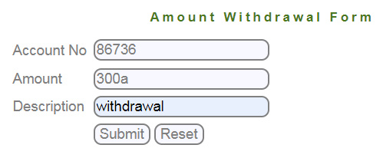 |  | Medium
2 | Open | Hovhannes Tutyan | Bild 3 | MTC_W_009 | 1)Log-in to Guru99 Bank app as manager 2)Click on withdrawal tab 3) Fill the amount withdrawal form with greater amount than on the balance | An Error massage "Transaction failed. Account balance is low " must be displayed. | Withdrawal is done.The folowing details are displayed Transaction ID Account No Amount Debited Type of Transaction -Withwrawal Description Current balance | 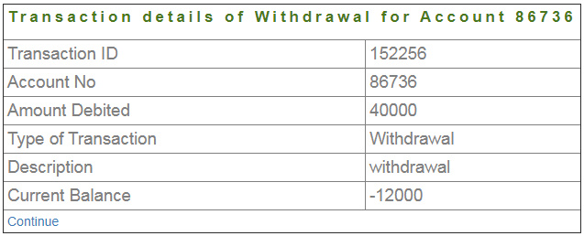 |  | High
3 | Open | Hovhannes Tutyan | Bild 3 | MTC_DC_003 | 1)Log-in to Guru99 Bank app as manager 2)Click on Edit Customer tab 3)Enter deleted Customer ID 4)Submit | A massage "Customer does not exist" must be displayed". Redirected to Edit Account form page. |   A massage "You are not authorised to edit this customer" is displayed. Page redirected to edit customer page. |  |  | Medium
4 | Open | Hovhannes Tutyan | Bild 3 | MTC_DC_004 | 1)Log-in to Guru99 Bank app as manager 2)Click on Delete Customer tab 3) Enter deleted Customer ID 4)Submit | A massage "Customer does not exist" must be displayed. Redirected to Delete Customer form page. | A massage "You are not authorised to edit this customer" is displayed. Page redirected to deleted customer page. |  |  | Medium
5 | Open | Hovhannes Tutyan | Bild 3 | MTC_FT_001 | 1)Log-in to Guru99 Bank app as manager 2)Click on Fund Transfer tab 3) Enter Payers account no 4)Enter Payees account no 5)Enter amount 6)Add Description 7)Click submit 8) Reload the page | Page should redirect to fund transfer page | No redirecting to fund transfer page, when reloaded 10 times, massage is displayed "You can not transfer funds, your balance is low!!!". | 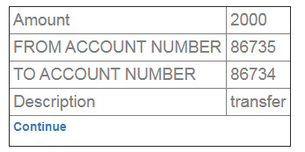 |  | High
6 | Open | Hovhannes Tutyan | Bild 3 | MTC_FT_003 | 1)Log-in to Guru99 Bank app as manager 2)Click on Fund Transfer tab 3) Enter wrong Payers account no 4)Enter Payees account no 5)Enter amount 6)Add Description 7)Click submit | An Error massage "Account does not exist" must be displayed | An Error massage "No details found on this account " is displayed |  |  | Medium
7 | Open | Hovhannes Tutyan | Bild 3 | MTC_FT_004 | 1)Log-in to Guru99 Bank app as manager 2)Click on Fund Transfer tab 3) Enter Payers account no 4)Enter Payers account no 5)Enter amount 6)Add Description 7)Click submit | An Error massage "Payers Account no and Payees Account no must not be the same " must be displayed | A Fund is transferred successfully. Fund transfer details for Account No Amount From account No To Account No Description | 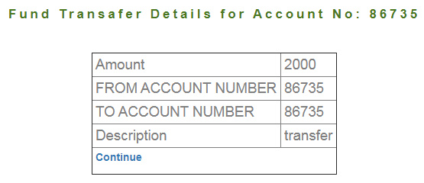 |  | High
8 | Open | Hovhannes Tutyan | Bild 3 | MTC_FT_005 | 1)Log-in to Guru99 Bank app as manager 2)Click on Fund Transfer tab 3) Enter Payers account no 4)Enter Payees account no 5)Enter greater amount than on the balance 6)Add Description 7)Click submit | An Error massage "Transfer failed. Account Balance Low!!!" must be displayed | An Error massage "You cant Transfer your account balance is low!!!" appears |  |  | High
9 | Open | Hovhannes Tutyan | Bild 3 | CTC_BE_005 | 1)Login to Guru99 Bank app as customer1 2) Click on Balance Enquiry tab 3)Enter customer2 Account No | A massage must appear "You are not authorized to get Balance details of this account". | User is able to enquire other customer's Balances | 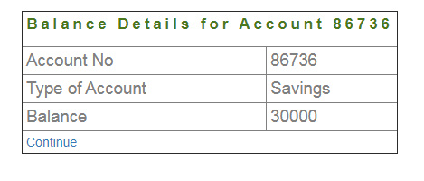 |  | Critical
10 | Open | Hovhannes Tutyan | Bild 3 | CTC_FT_008 | 1)Login to Guru99 Bank app as customer 2) Click on Fund Transfer tab 3)Enter Payers account no 4)Enter Payees account no 5)Enter amount to be transfered 6)Add description 7) click Submit 8) Reload the page | Page must be redirecetd to Fund transfer form input page again | Failed. Fund transfering is being done again. | 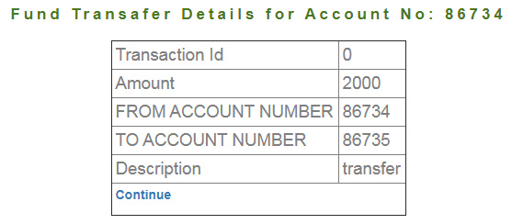 |  | Critical
11 | Open | Hovhannes Tutyan | Bild 3 | CTC_FT_013 | 1)Login to Guru99 Bank app as customer1 2) Click on Fund Transfer tab 3)Enter Customer2 Account No 4)Enter Customer1 Account no 5)Enter amount to be transfered 6)Add description 7) click Submit | A massage "You are not authorized to transfer funds from this account" must be diplayed | Failed. Fund transfering is being done again from another user's account to customer's account | 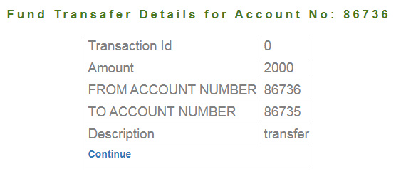 |  | Critical
12 | Open | Hovhannes Tutyan | Bild 3 | CTC_FT_014 | 1)Login to Guru99 Bank app as customer1 2) Click on Fund Transfer tab 3)Enter Customer1 Account No 4)Enter Customer2 account no 5)Enter amount to be transfered 6)Add description 7) click Submit | A massage "Account No does not exist" must appear. | Failed. Fund transfering is being done again from customer's account to another user's account | 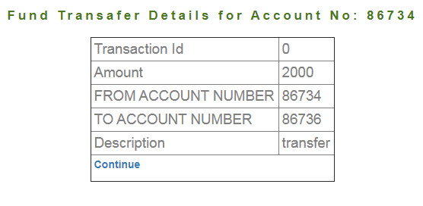 |  | Critical
13 | Open | Hovhannes Tutyan | Bild 3 | CTC_FT_015 | 1)Login to Guru99 Bank app as customer1 2) Click on Fund Transfer tab 3)Enter customer's Account No 4)Enter same account no 5)Enter amount to be transfered 6)Add description 7) click Submit | A massage "Payer's Account and Payees Account can not be the same". | Failed. Funds can be Transferred from same account. | 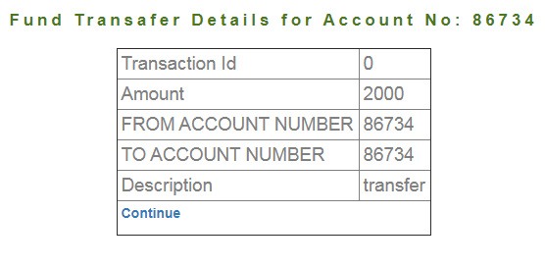 |  | High
14 | Open | Hovhannes Tutyan | Bild 3 | CTC_MS_001 | 1)Login to Guru99 Bank app as customer1 2) Click on Mini Statement tab 3)Enter Customer2 Account No 4) click Submit | A massage "You are not authorized to generate statement of this account" must be displayed. | Failed. Another user's transaction details can be generated by the user. |  |  | Critical
15 | Open | Hovhannes Tutyan | Bild 3 | CTC_CS_001 | 1)Login to Guru99 Bank app as customer1 2) Click on Customized Statement tab 3)Enter customer2 Account No 4)Choose date 5)Enter Min transaction Value 6)Enter Number of transaction 7) click Submit | A massage "You are not authorized to generate statement of this account" must be displayed. |  Failed. Another user's transaction details can be generated by the user. |  |  | Critical
16 | Open | Hovhannes Tutyan | Bild 3 | CTC_CS_003 | 1)Login to Guru99 Bank app as customer 2) Click on Customized Statement tab 3)Enter customer's Account No 4)Choose impossible date 5)Enter Min transaction Value 6)Enter Number of transaction 7) click Submit | A massage "From date field must be lower than to date field" must occur. |  A massage "No Transition details found" occurs. |  |  | High

